Sheet1
New Data Table:

Age Group / Housing Type | Apartment | House | Condominium | Townhouse | Villa
18-25 | 40 | 20 | 15 | 10 | 5
26-35 | 30 | 40 | 20 | 15 | 10
36-45 | 20 | 35 | 25 | 20 | 15
46-55 | 15 | 30 | 25 | 25 | 20
56+ | 10 | 20 | 30 | 20 | 25

Null Hypothesis (HO) | Age Group and Housing Type: "There is an no association between age group and preferred type of housing."

Alternative Hypothesis (H1) | Age Group and Housing Type: "There is an association between age group and preferred type of housing."

Age Group / Housing Type | Apartment | House | Condominium | Townhouse | Villa | Total
18-25 | 40 | 20 | 15 | 10 | 5 | 90
26-35 | 30 | 40 | 20 | 15 | 10 | 115
36-45 | 20 | 35 | 25 | 20 | 15 | 115
46-55 | 15 | 30 | 25 | 25 | 20 | 115
56+ | 10 | 20 | 30 | 20 | 25 | 105
Total | 115 | 145 | 115 | 90 | 75 | 540

Expected Data

Age Group / Housing Type | Apartment | House | Condominium | Townhouse | Villa
18-25 | 19.166666667 | 24.166666667 | 19.166666667 | 15 | 12.5
26-35 | 24.490740741 | 30.87962963 | 24.490740741 | 19.166666667 | 15.972222222
36-45 | 24.490740741 | 30.87962963 | 24.490740741 | 19.166666667 | 15.972222222
46-55 | 24.490740741 | 30.87962963 | 24.490740741 | 19.166666667 | 15.972222222
56+ | 22.361111111 | 28.194444444 | 22.361111111 | 17.5 | 14.583333333

O= Observed | E = Expected | O-E | (O-E)^2 | ((O-E)^2)/E
40 | 19.166666667 | 20.833333333 | 434.02777778 | 22.644927536
30 | 24.490740741 | 5.5092592593 | 30.351937586 | 1.2393229714
20 | 24.490740741 | -4.4907407407 | 20.166752401 | 0.82344395435
15 | 24.490740741 | -9.4907407407 | 90.074159808 | 3.6778862984
10 | 22.361111111 | -12.361111111 | 152.7970679 | 6.8331608006
20 | 24.166666667 | -4.1666666667 | 17.361111111 | 0.7183908046
40 | 30.87962963 | 9.1203703704 | 83.181155693 | 2.6937225832
35 | 30.87962963 | 4.1203703704 | 16.977451989 | 0.54979454717
30 | 30.87962963 | -0.87962962963 | 0.77374828532 | 0.025056915986
20 | 28.194444444 | -8.1944444444 | 67.148919753 | 2.3816365627
15 | 19.166666667 | -4.1666666667 | 17.361111111 | 0.90579710145
20 | 24.490740741 | -4.4907407407 | 20.166752401 | 0.82344395435
25 | 24.490740741 | 0.50925925926 | 0.25934499314 | 0.010589512007
25 | 24.490740741 | 0.50925925926 | 0.25934499314 | 0.010589512007
30 | 22.361111111 | 7.6388888889 | 58.352623457 | 2.6095583161
10 | 15 | -5 | 25 | 1.6666666667
15 | 19.166666667 | -4.1666666667 | 17.361111111 | 0.90579710145
20 | 19.166666667 | 0.83333333333 | 0.69444444444 | 0.036231884058
25 | 19.166666667 | 5.8333333333 | 34.027777778 | 1.7753623188
20 | 17.5 | 2.5 | 6.25 | 0.35714285714
5 | 12.5 | -7.5 | 56.25 | 4.5
10 | 15.972222222 | -5.9722222222 | 35.667438272 | 2.2330917874
15 | 15.972222222 | -0.97222222222 | 0.94521604938 | 0.059178743961
20 | 15.972222222 | 4.0277777778 | 16.222993827 | 1.0157004831
25 | 14.583333333 | 10.416666667 | 108.50694444 | 7.4404761905
 |  |  | Sum of ((OE)^2)/E | 65.936969403

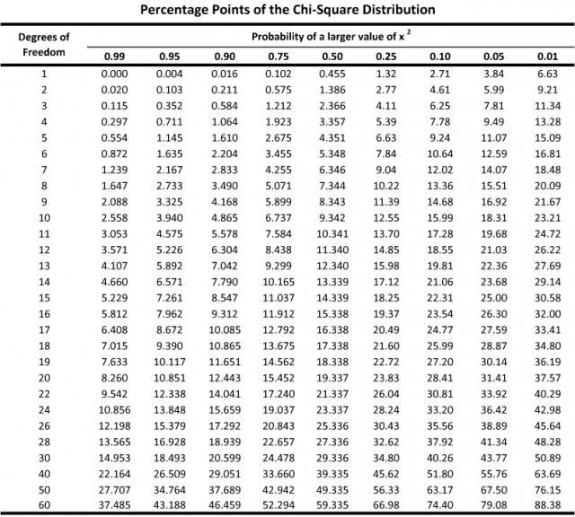

DOF | (C-1)(R-1) | 16
P | 0.05

Calculated Value | 65.936969403
Table Value | 23.54

If Calculated Value | > | Table Value |  | We Reject | Null | Hypothesis

65.936969403 | > | 23.54 |  | We Reject | Null | Hypothesis

This means that there is an association between age group and preferred type of housing.

